1. Title Page
[Basket Analysis]

Project Name: Basket Analysis
Date: 26 June 2022
Analyst Name: Asta Hansen

Contents:
Population Flow
Consistency checks
Wrangling steps
Column derivations
Visualizations
Recommendations

Data Citation
“The Instacart Online Grocery Shopping Dataset 2017”, Accessed from https://www.instacart.com/datasets/grocery-shopping-2017 on 17 May 2022.
The customer data as well as the “prices” column in the products data set, were both fabricated for the purpose of the course and do not reflect actual information.

2. Population Flow
Title page

Population flow

Exclusion flag
Condition: max_order < 5
Obervations to be removed: 1440295
Final total count of order_products_all: 30964564

Orders_products_combined
Orders_products_merged
Orders_products_all

Total: 32404859
Total: 32434489
Total: 32404859

1.) The grey boxes in the first row of the population flow represent the original data sets as they were when you downloaded them. In the Total fields you need to add the count of the rows when you imported the data set into Jupyter.
2.) The second row of boxes (coloured) represents the data sets after you manipulated them, e.g., removed missing values and duplicates. In the Total fields you need to add the count of the rows after conducting these operations. This offers a visual oveview of how the data flows throughout the data consistency checks.
3.) The third row, where also the arrows are coloured, represents the merges you performed between the datasets. In the Total fields you need to add the count of the rows in the merged datasets, so that you end up with the final dataset (in the red box). Keep in mind the final dataset should be without exclusions (based on the exclusion flag).

3. Consistency checks
 |  |  |  | Title page
Consistency checks

Dataset | Missing values | Missing values treatment | Duplicates
orders | none | NA | none
products | 16 | removed from data set | 5
orders_products_prior | none |  | none
customers | 11259 | removed entire variable | none

4. Wrangling steps
 |  |  |  | Title page
Wrangling steps

Columns dropped | Columns renamed | Columns' type changed | Comment/Reason
eval_set |  |  | not relevant for analysis
 |  | order_id | changed to string, to exclude from descriptive statistics
 |  | user_id | changed to string, to exclude from descriptive statistics
 | order_dow |  | renamed to orders_day_of_week
 | days_since_prior_order |  | renamed to days_since_last_order
 | n_dependants |  | renamed to number_of_dependants
 | STATE |  | renamed to state
 | fam_status |  | renamed to family_status
 | First Name |  | renamed to first_name
 | Surnam |  | renamed to surname
 | Gender |  | renamed to gender
 | Age |  | renamed to age
first_name |  |  | PII
surname |  |  | PII

5. Column derivations
 |  |  |  | Title page

Column derivations and aggregations

In this tab you should add tables below that the frequences of flags/label variables that you produced after deriving them. NB: don't do this for continuous variables, only for flags.
Dataset | New column | Column/s it was derived from | Conditions
orders_products_altered | price_range | prices | price > 15 = High Range product 15> price > 5 = Mid range product 5 > price = Low range product
 | busiest_day | orders_day_of_week
 | busiest_days | orders_day_of_week
 | busiest_period_of_day | order_hour_of_day
orders_products_grouped.pkl | max_order | user_id & order_number
 | loyalty_flag | max_order
 | mean_spending | user_id &prices
 | spending_flag | mean_spending
 | order_frequency | user_id & days_since_last_order
 | frequency_flag | order_frequency
orders_products_all | region | state
 | profile | age&income&family_status
 | spending | user_id&prices
 | activity_flag | max_order

Mid-range product 21860860 |  | Regular customer 15,876,776
Low-range product 10126321 |  | Loyal customer 10,284,093
High-range product 417678 |  | New customer 6,243,990
Name: price_range, |  | Name: loyalty_flag

Regularly busy 22416875 |  | Low spender 32285131
Busiest day 6204182 |  | High spender 119728
Least busy 3783802 |  | Name: spending_flag
Name: busiest_day,
 |  | Frequent customer 21559853
Regularly busy 12916111 |  | Regular customer 7208564
Busiest days 11864412 |  | Non-frequent customer 3636437
Least busy days 7624336 |  | NaN 5
Name: busiest_days, |  | Name: frequency_flag

Most orders 21118071 |  | South 11458967
Average orders 10399967 |  | West 8292913
Fewest orders 886821 |  | Midwest 7597325
Name: busiest_period_of_day, |  | Northeast 5055654
 |  | Name: region
High activity 30964564
Low activity 1440295
Name: activity_flag

6. Visualizations
 |  |  | Title page

Visualisations

In this tab you should include all the visualtions from Exercises 4.9 and 4.10, alongside the questions from the project brief that they answer. Include any commentary on the relationship between different variables.

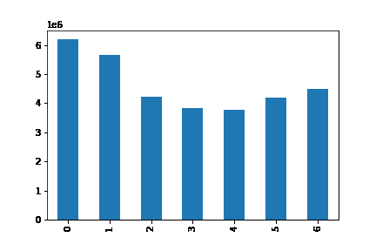
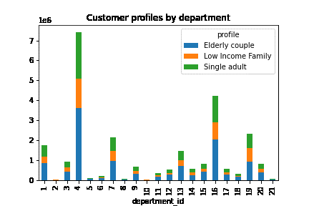

Number of orders per day of the week - Key question 1

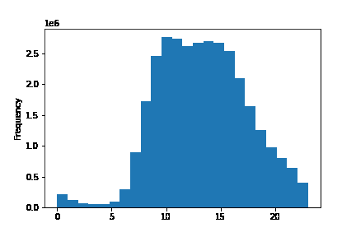
 |  | Number of products purchased from each department by customer profile

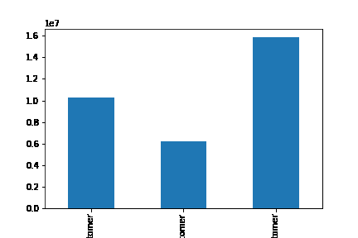

Number of orders per hour of the day - Key question 1

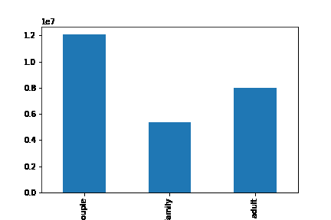
 |  | Distribution of customer loyalty - key question 5

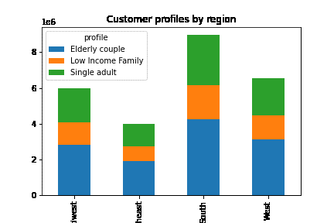

Distribution of customer profiles


 |  | Customer profile distribution in each region - key question 5.3

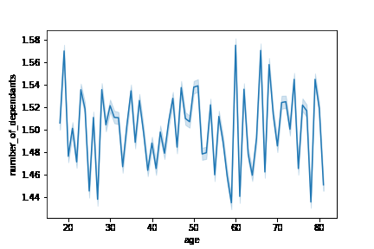

Price distribution of product catalogue - key question 3

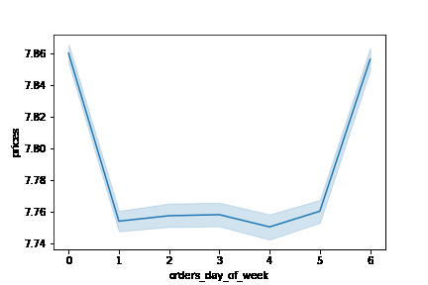
 |  | relationship between age and number of dependants

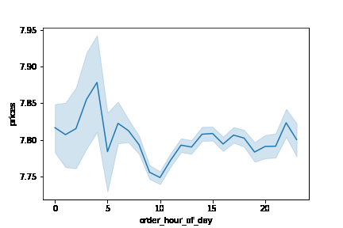

Change in average price during the course of the week

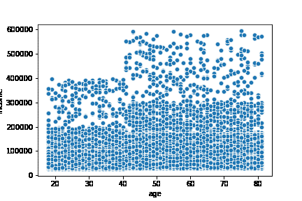
 |  | Change in average price during the day

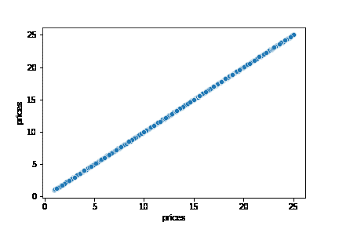

Relationship between income and age

 | Price progression

7. Recommendations
 |  |  |  |  |  |  |  |  |  |  |  |  |  | Title page

Recommendations

In this tab you should include any recommendations you would made to Instcart in terms of their marketing strategy based on the questions posed in the brief. Every key question has been covered in the Tasks of the Exercises - here you need to add an item - a visualisation or table/crosstable that is showing the answer in the data, acompanied by a comment from you. Please, list the questions below and add the answer underneath.

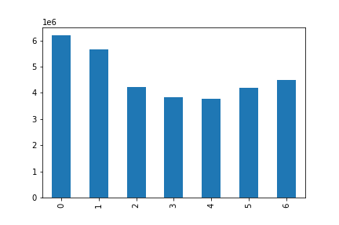
Question | Answer
Key Question 1 | What are the busiest days of the week and hours of the day?
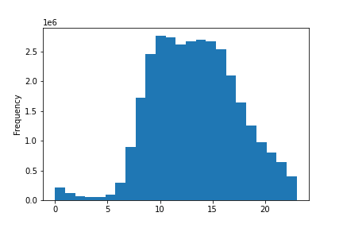

 | Busiest time of day is between 10am and 4pm, with a dip in orders around 12pm.
 | The busiest day of the week is Saturday.

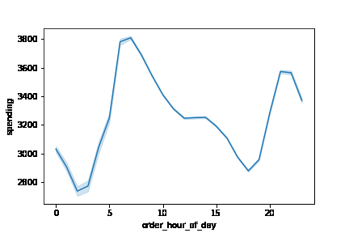
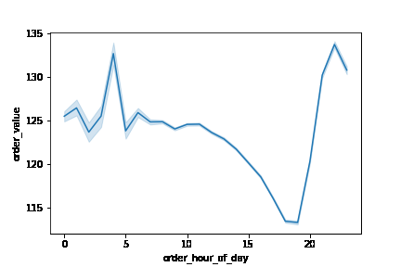
Key Question 2 | What time of day do people spend the most?

 | Overall spending is highest in the early morning, between 6 and 7am, with another smaller peak in the late evening around 8 and 9pm.
 | This matches somewhat the the average order value, which peaks earlier in the morning at 4am, then drops to it's lowest level between 6 and 7pm, before rising to it's second peak at 9pm.

Key Question 3 | Price range grouping
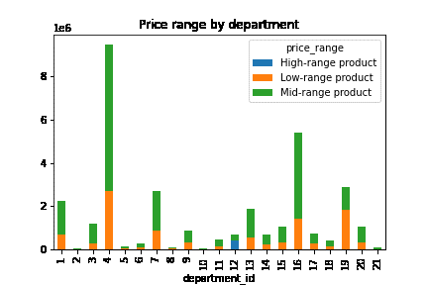

 |  |  |  |  |  |  |  | Mid-range product 21,860,860
 |  |  |  |  |  |  |  | Low-range product 10,126,321
 |  |  |  |  |  |  |  | High-range product 417,678
 |  |  |  |  |  |  |  | Name: price_range,

 | There are mostly mid-range products in the catalogue, nearly 22 million, followed by 10 million low-range products and a handful of 400k high-range products.
 | Most of the High-range products are in department_id 12 which is the the meat&seafood department.

Key Question 4 | Which department has the highest frequency of product orders?

 | Department_id |  |  | avg_order_number |  | avg_order_frequency
 | 1 | frozen |  | 15.458 |  | 11.047
 | 2 | other |  | 17.278 |  | 10.383
 | 3 | bakery |  | 17.170 |  | 10.344
 | 4 | produce |  | 17.811 |  | 10.133
 | 5 | alcohol |  | 15.216 |  | 10.094
 | 6 | international |  | 16.440 |  | 10.703
 | 7 | beverages |  | 17.226 |  | 10.375
 | 8 | pets |  | 15.341 |  | 11.094
 | 9 | dry goods pasta |  | 15.895 |  | 11.016
 | 10 | bulk |  | 20.197 |  | 9.398
 | 11 | personal care |  | 16.171 |  | 11.008
 | 12 | meat seafood |  | 15.888 |  | 10.727
 | 13 | pantry |  | 16.584 |  | 10.656
 | 14 | breakfast |  | 16.774 |  | 10.523
 | 15 | canned goods |  | 16.165 |  | 11.016
 | 16 | dairy eggs |  | 17.666 |  | 10.156
 | 17 | household |  | 15.694 |  | 11.367
 | 18 | babies |  | 19.310 |  | 9.094
 | 19 | snacks |  | 17.177 |  | 10.352
 | 20 | deli |  | 16.473 |  | 10.609
 | 21 | missing |  | 22.902 |  | 9.445
 | Not considering the numbers for department_id 21 as it's unclear which products are included in this department, bulk products show the highest number of orders on average followed by baby products.
 | This is also reflected in the average order frequency, as for these two departments a repeat order is placed every 9 days ahead of the overall average of 10.5 days.

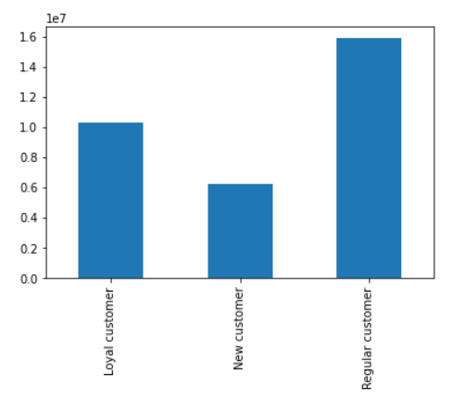
Key Question 5 | Distribution among users in regards to their brand loyalty?

 | They have mostly regular customers around 15 million, followed by their 10 million loyal customers who placed more than 40 orders each. New customers make up around 6 million.

Key Question 6 | Are there differences in ordering habits based on a customer's region?

 | region | High spender | Low spender | Rate high spender |  |  | region | High-range product | Low-range product | Mid-range product | rate high | rate low | rate mid
 | Midwest | 29265 | 7568060 | 0.4% |  |  | Midwest | 96658 | 2372304 | 5127103 | 1.3% | 31.2% | 67.5%
 | Northeast | 17061 | 5038593 | 0.3% |  |  | Northeast | 64141 | 1582903 | 3407841 | 1.3% | 31.3% | 67.4%
 | South | 42160 | 11416807 | 0.4% |  |  | South | 145818 | 3578378 | 7732907 | 1.3% | 31.2% | 67.5%
 | West | 31242 | 8261671 | 0.4% |  |  | West | 105934 | 2592736 | 5593009 | 1.3% | 31.3% | 67.5%

 | There is no difference between the regions when it comes to spending levels or the type of products they buy based on price range.

Key Question 7 | Are there differences in ordering habits based on a customer’s loyalty status?

 | loyalty_flag |  | High spender |  | Low spender |  | rate High spender
 | Loyal customer |  | 13896 |  | 10270197 |  | 0.1%
 | New customer |  | 58647 |  | 6185343 |  | 0.9%
 | Regular customer |  | 47185 |  | 15829591 |  | 0.3%

 | The relative number of high spenders reduces the longer the people are customers. As it's around 0.9% for new customers, but drops to 0.1% for loyal customers.

